Problem - 1
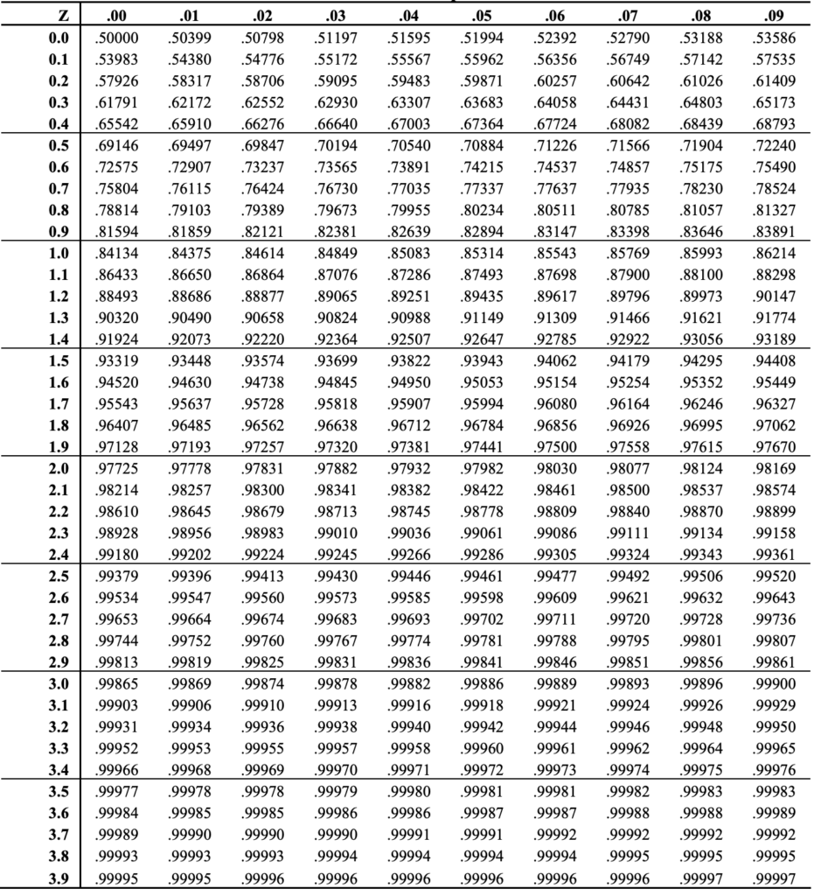
The maximum weight that an elevator in an apartment complex can accommodate is 800kg. The average adult weight be about 70 kgs with a variance of 200. What is the probability that the lift safely reaches the ground when there are 10 adults in the lift?
 |  |  |  |  |  | P- Value < Alpha (Reject Null)
 |  |  |  |  |  | P- Value > Alpha (Accept Null)

Std.Error | std.dev(population)/sqrt(sample size) |  | Given Data | Given | Values
Z | (Mean of Sample - Assumed mean of Population)/std.Error |  | Population | 800
 |  |  | Sample | 10
 |  |  | Mean Of Sample | 70 | 700
 |  |  | Variance Of Sample | 200 | 2000
Finding P value Corresponding to Z-Statistic
('norm.dist(x(Mean of Samples),mean,(Mean of Population),Std.error,Commulative)) |  |  |  | Std.dev of Sample |  | 44.72135955

 |  |  | X-(Mue)/Std.dev of Sample |  | (800-700)/44.72
Null Hypothesis | ---- | As per probability Safely Reach the Ground with 10 adults | Z-- Value | >> | 2.2361359571
Alternative Hypothesis | ---- | As per probability Don't Safely Reach the Ground with 10 adults

 |  |  | Probability from the table for Z Score |  | 0.98713
 |  |  |  |  | 99%
possibility that the lift can withstand the load of 10 adults -- 99.0%

